1.Def of Feature Scaling
1. (THEREOTICAL) FEATURE SCALING | REFERENCE

①What is Feature Scaling ? | ⇰REFERENCE (Website)-->Udemy Regarding Meaning & Definition as well as benefits of Feature Scaling | ⇰REFERENCE (Website)-->Analytics Vidhya Regarding Meaning of Feature Scaling & Types of Feature scaling 1.Standardization 2.Normalization
⇰Many machine learning algorithms perform better when numerical input variables are scaled to a standard range.This includes algorithms that use a weighted sum of the input, like linear regression, and algorithms that use distance measures, like k-nearest neighbors.

②What is Scale Invariance ? | ⇰REFERENCE (Website)-->Wikipedia Regarding Definition & Meaning of Scale Invariance
⇰In physics, mathematics and statistics, scale invariance is a feature of objects or laws that do not change if scales of length, energy, or other variables, are multiplied by a common factor, and thus represent a universality.

 | ⇰REFERENCE (You Tube)-->Feature Scale Importance For Gradient Descent By Priyanshu Vats
③Benefits of Feature Scaling ?
❶The most important benefit is that feature scaling improves the convergence of the steepest descent algorithms.And what we mean by that are algorithms like gradient descent in trying to minimize the lost function.Those gradient descent algorithms do not possess the property of Scale Invariance.

 | ⇰REFERENCE (You Tube)-->Code Basics(Hindi) Regarding Overall Thereotical Definition & Practical Implementation (Coding) of Cost Function or Line of Best Fit

❷So what we mean by that is that if you have features that are on different scales and you're trying to use something like gradient descent to figure out the optimal coefficients, certain weights for those coefficients may update faster than others, since the feature values may play a role in those coefficient or weight updates.

❸Essentially what we mean is, if you can imagine gradient descent in multiple dimensions and you have some features on much different or much larger scales than others, then the weights that are being restricted to those really large scales are going to take longer to update than the scales for features that are much smaller & so what you want is that all the features are on roughly the same scale.
 | ⇰REFERENCE (You Tube) -->Krishna Naik Regarding Overall Implementation & Def & Why and When Should we Perform Feature Normalization?

❹That way, the gradient descent as far as the convergence of the optimal coefficients or weights can take around the same amount of time for each of those features.So that really is the critical benefit of feature scaling.
 | ⇰REFERENCE (Website)-->Scikit Learn Regarding Practical Implementation & Definition of Feature Scaling (Especially Standard Scaler)

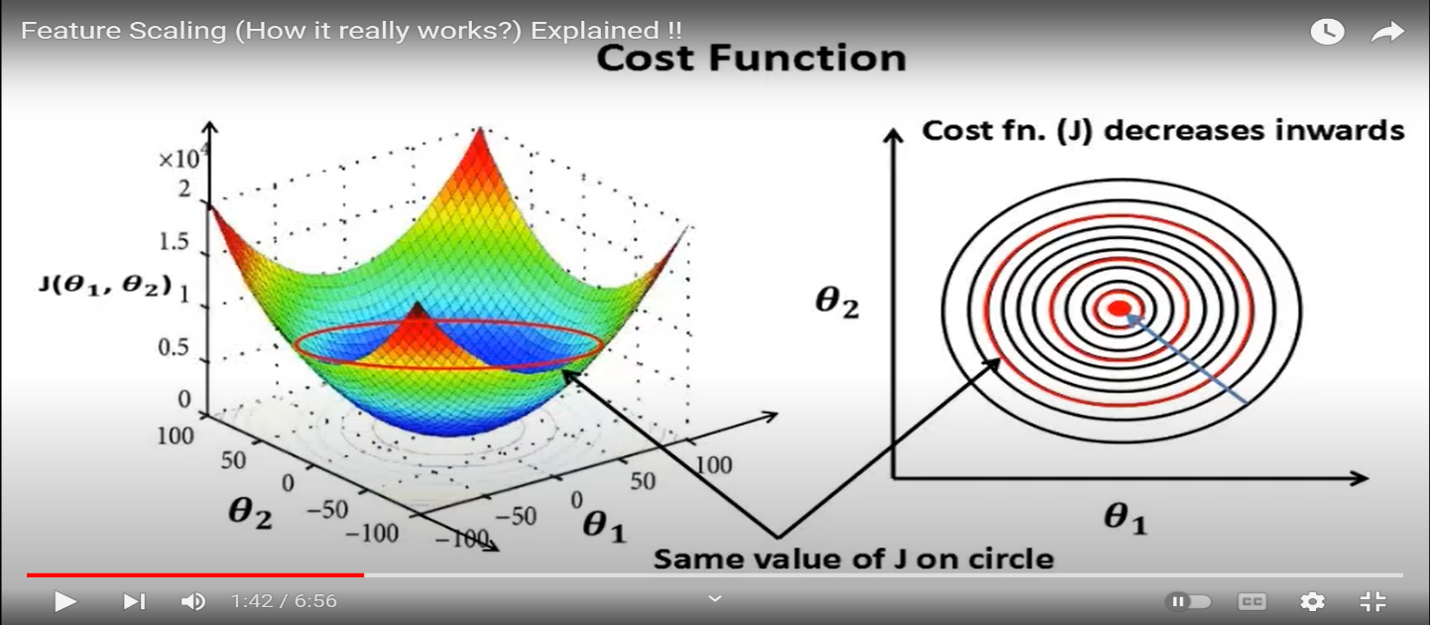

 | ⇰REFERENCE (Website)-->Udemy Regarding Meaning & Definition as well as benefits of Feature Scaling

 | ⇰REFERENCE (You Tube)-->Feature Scale Importance For Gradient Descent By Priyanshu Vats

 | ⇰REFERENCE (You Tube)-->Code Basics(Hindi) Regarding Overall Thereotical Definition & Practical Implementation (Coding) of Cost Function or Line of Best Fit

④Caveats (Warrning) of Using Feature Scaling in Various Models ?

⇰Must Always Scale new Unseen data Before Feeding to Model. ⇰Effect Direct Interpretability of Feature Coefficients. ❶Easier to Compare coefficients to one another , harder to relate back to original unscaled feature.

 | ⇰REFERENCE (Website)-->Geeks For Geeks Regarding ML|Feature Scaling – Part 2

❷In Decision Tree Regressor & Decision Tree Classifier We don't need to perform any sort of feature scaling, since I'm never going to be using multiple features at the same time.I don't actually care if one feature is in a way different scale than another.

INVERSE_TRANSFORM

2.Type of Feature Scaling
2. TYPES OF FEATURE SCALING |  |  | REFERENCE

①STANDARDIZATION (Standard Scaler) Or Z score Normalization |  |  | ⇰REFERENCE (Website)--> Scikit Learn Regarding Practical Implementation & Definition of Feature Scaling (Especially Standard Scaler) | ⇰REFERENCE (Website)-->Analytics Vidhya Regarding Meaning of Feature Scaling & Types of Feature scaling 1.Standardization 2.Normalization
⇰Standardization Rescales data to have a mean that is mu of 0 and a standard deviation of 1, which means you're essentially standardizing all your data to follow a standard normal distribution so you could have negative values there. Name Sake Can be confusing since this also referred as Z score normalization . ⇰Name Sake Can be confusing since this also referred as Z score normalization ⇰Standardization scales each input variable separately by subtracting the mean (called centering) and dividing by the standard deviation to shift the distribution to have a mean of zero and a standard deviation of one. ⇰In Simple Words Standardization Mean Rescaling Data to have mean (μ) of 0 & Standard Deviation (σ) of 1 Unit Variance) .

 | 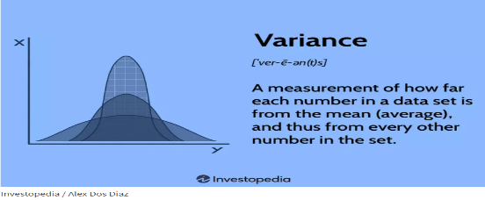 |  | ⇰REFERENCE (Website)-->Udemy Regarding Definition & Meaning as well as benefits of Feature Scaling

 |  |  | ⇰REFERENCE (Website)-->Machine Learning Mastery Regarding Thereotical & Practical (Coding) Implementation Regarding Meaning & Understanding of 1st Types of Feature Scaling That is Standardization | ⇰REFERENCE (Website)-->Geeks for Geeks Regarding Conceptual & Practical Implementation Regarding Standard Scaling , Min-Max-Scalar

 |  |  | ⇰REFERENCE (You Tube)-->Feature Scale Importance For Gradient Descent By Priyanshu Vats

 |  |  | ⇰REFERENCE (You Tube)-->Code Basics(Hindi) Regarding Overall Thereotical Definition & Practical Implementation (Coding) of Cost Function or Line of Best Fit
❶PRACTICAL IMPLEMENTATION OF PLOTTING TYPES OF FEATURE SCALING (STANDARDIZATION) IN 1.3 POLYNOMIAL REGRESSION & FEATURE SCALING

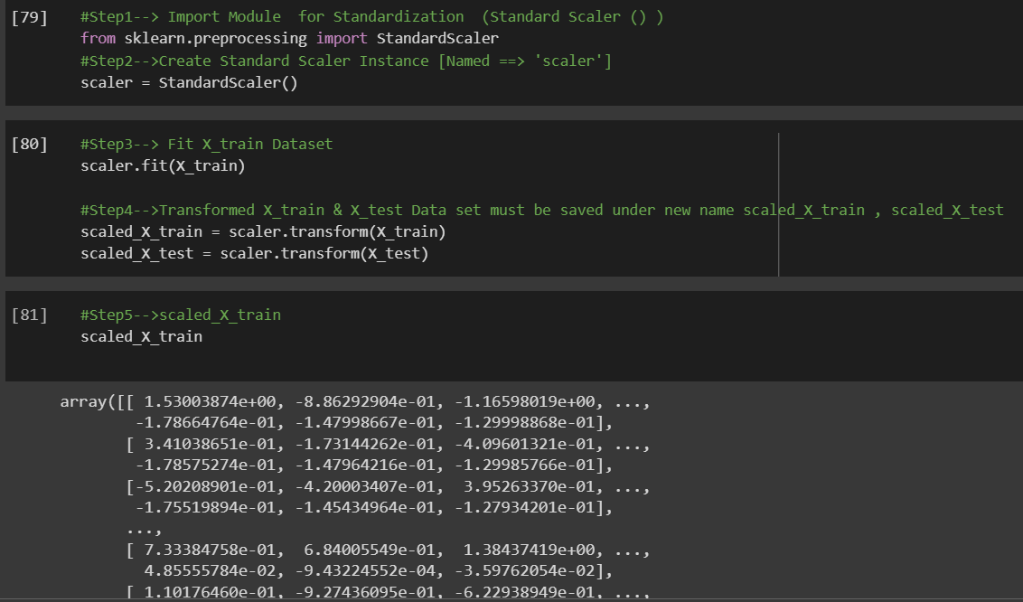

 |  |  | ⇰REFERENCE (Website) --> 1.3 Google Colab (Polynomial Regression & Feature Scaling) Regarding Practical Implementation & (Coding) 1st Types of Feature Scaling That is == (Standardization) Standard Scaling

 |  |  | ⇰REFERENCE (Website)-->Analytics Vidhya Regarding Meaning of Feature Scaling & Types of Feature scaling 1. Standardization 2.Normalization

 |  |  | ⇰REFERENCE (Website)-->Scikit Learn Regarding Practical Implementation & Definition of Feature Scaling (Especially Min-Max Scaler)

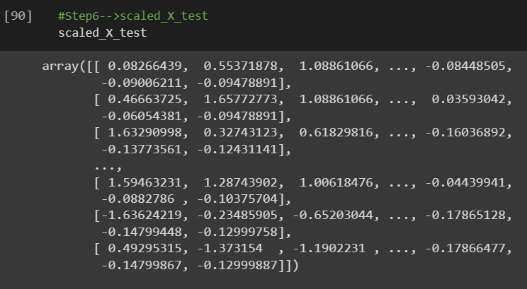

 |  |  | ⇰REFERENCE (Website)-->Analytics Vidhya Regarding Meaning of Feature Scaling & Types of Feature scaling 1.Standardization 2.Normalization

②NORMALIZATION (Min Max Scaler)
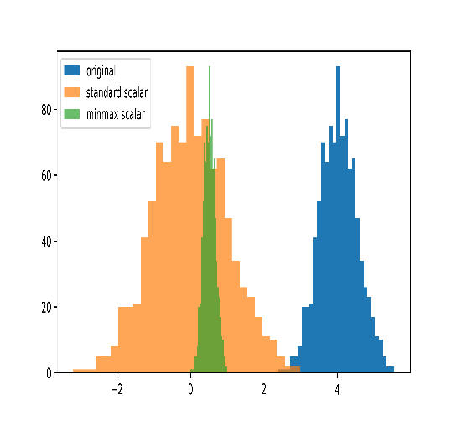 ⇰Normalization scales each input variable separately to the range 0-1, which is the range for floating-point values where we have the most precision. ⇰Normalization in regards to feature scaling is going to scale all data values to be between zero (0) and one (1) & the way it does this is by using the minimum x value and the maximum x value, in which case for each feature, what you're going to do is take the feature, subtract the minimum value, and then divide it by the difference between the max value and the minimum value & that essentially scales all the data points to be between zero and one. ⇰Basically in Simpler Word MinMaxScaler scales all the data features in the range [0, 1] or else in the range [-1, 1] if there are negative values in the dataset. |  |  | ⇰REFERENCE (Website)-->Machine Learning Mastery Regarding Thereotical & Practical (Coding) Implementation Regarding Meaning & Understanding of 1st Types of Feature Scaling That is Standardization

 |  |  | ⇰REFERENCE (You Tube)-->Feature Scale Importance For Gradient Descent By Priyanshu Vats

 |  |  |  | ⇰REFERENCE (Website)-->Geeks for Geeks Regarding Conceptual & Practical Implementation Regarding Standard Scaling , Min-Max-Scalar
 |  |  | ⇰REFERENCE (Website)-->Scikit Learn Regarding Practical Implementation & Definition of Feature Scaling (Especially Min-Max Scaler)

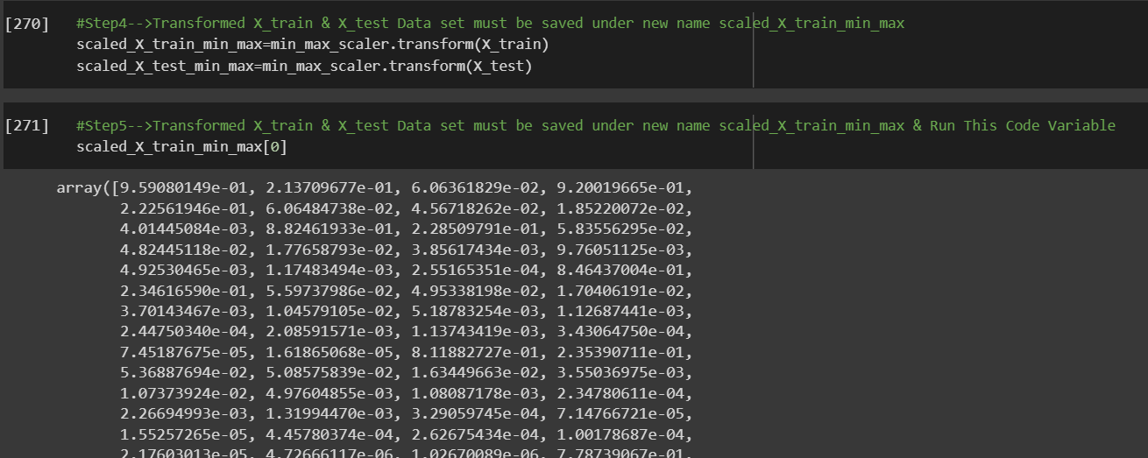 |  |  | ⇰REFERENCE (Website) -->1.3 Google Colab (Polynomial Regression & Feature Scaling) Regarding Practical Implementation & (Coding) 2nd Types of Feature Scaling That is == (Normalization)

 |  |  | ⇰REFERENCE (Website)--> Scikit Learn Regarding Practical Implementation & Definition of Feature Scaling (Especially Standard Scaler)

 |  |  | ⇰REFERENCE (Website)-->Udemy Regarding Definition & Meaning & Definition as well as benefits of Feature Scaling

 |  |  | ⇰REFERENCE (You Tube)-->Feature Scale Importance For Gradient Descent By Priyanshu Vats

 |  |  | ⇰REFERENCE (You Tube)-->Code Basics(Hindi) Regarding Overall Thereotical Definition & Practical Implementation (Coding) of Cost Function or Line of Best Fit

③ INVERSE_TRANSFORM

① INVERSE TRANSFORM |  |  | ⇰REFERENCE (Website)-->apmonitor Regarding Thereotical & Conceptual Understanding of Hyper Parameter for Inverse_Transform for Standard Scaling (scaled_X_test)
▣An inverse transform returns data to the original scaling. Scaled data is only for the machine learning methods that need well-conditioned data for processing. Once the training or prediction is completed, the data needs to be returned to the unscaled form for visualization or interpretation. The inverse_transform function is used to unscale the data. |  | 

∎INVERSE_TRANSFORM FOR STANDARD SCALING

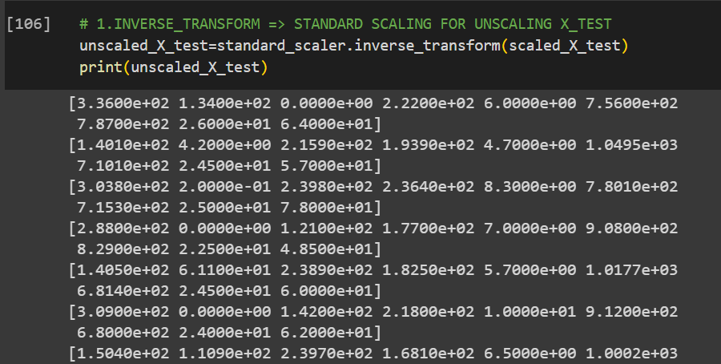 |  |  | ⇰REFERENCE (Website)-->1.3(ii) Google Colab Feature Scaling Regarding Conceptual & Practical Understanding of Attributes inverse_transform for standard scaling

∎INVERSE_TRANSFORM FOR MIN-MAX SCALING

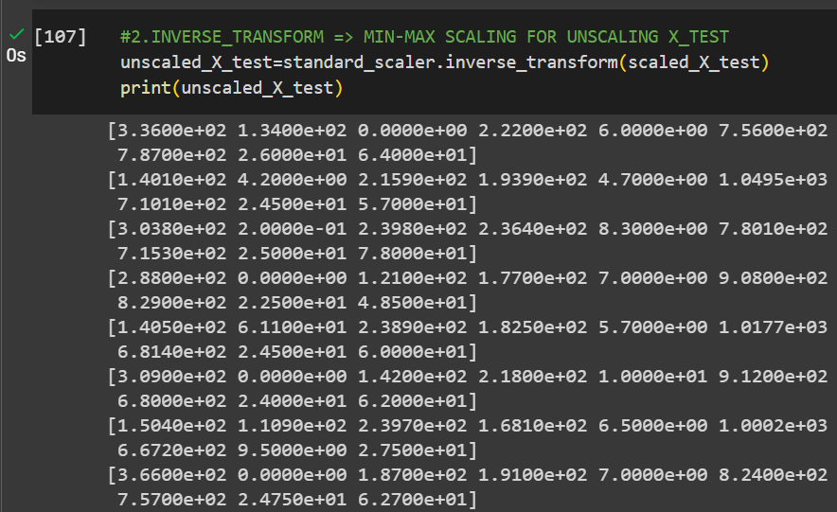 |  |  | ⇰REFERENCE (Website)-->1.3(ii) Google Colab Feature Scaling Regarding Conceptual & Practical Understanding of Attributes inverse_transform for min-max scaling

3.Prac Attr of Standard Scaling
TYPES OF FEATURE SCALING | REFERENCE

▣STANDARD SCALING
▣MIN MAX SCALAR
STANDARD SCALING

∎HYPER PARAMETER FOR STANDARD SCALING
 | ⇰REFERENCE (Website)-->Scikit Learn Regarding Thereotical & Conceptual Understanding of Various Methods of Standard Scaling

 | ⇰REFERENCE (Website)-->Udemy Regarding Meaning & Definition as well as Properties of Feature Scaling

⇰copy:bool, default=True ❶ If False, try to avoid a copy and do inplace scaling instead. This is not guaranteed to always work inplace; e.g. if the data is not a NumPy array or scipy.sparse CSR matrix, a copy may still be returned.

⇰with_mean:bool, default=True ❶If True, center the data before scaling. This does not work (and will raise an exception) when attempted on sparse matrices, because centering them entails building a dense matrix which in common use cases is likely to be too large to fit in memory.

⇰with_std:bool, default=True ❶If True, scale the data to unit variance (or equivalently, unit standard deviation).

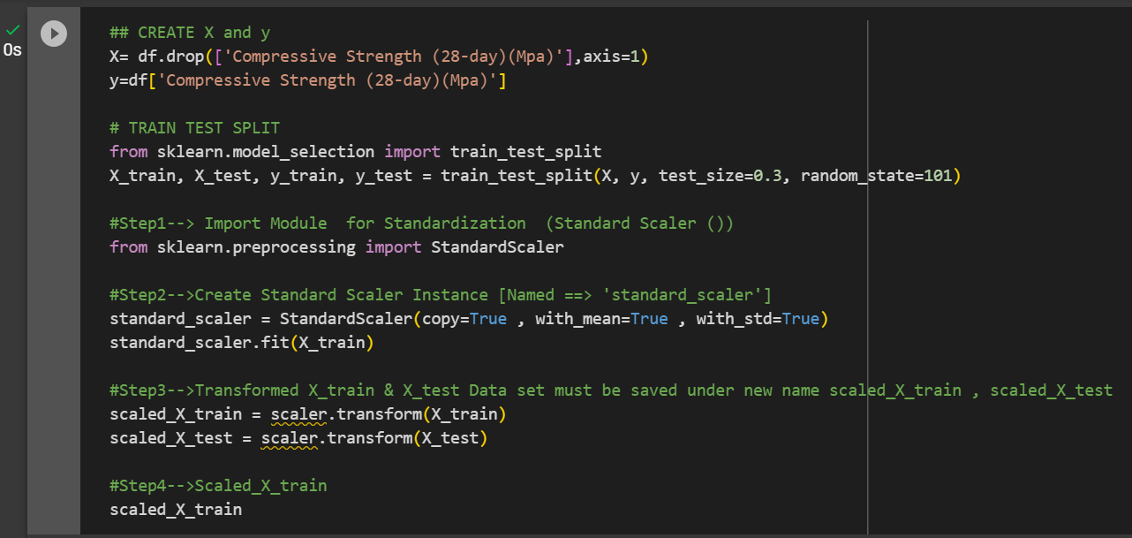 | ⇰REFERENCE (Website)-->1.3(ii) Google Colab Feature Scaling Regarding Conceptual & Practical Understanding of Various Hyper Param for Feature Scaling (Standard Scaling)

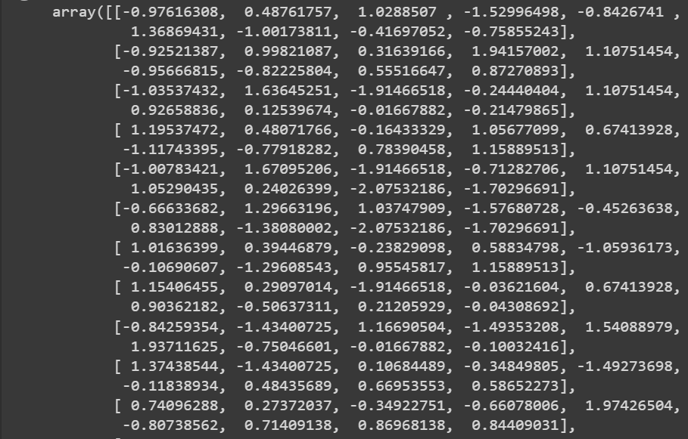

 | ⇰REFERENCE (Website)-->Scikit Learn Regarding Thereotical & Conceptual Understanding of Various Methods of Standard Scaling

 | ⇰REFERENCE (Website)-->Udemy Regarding Meaning & Definition as well as benefits of Feature Scaling

∎ATTRIBUTES FOR STANDARD SCALING

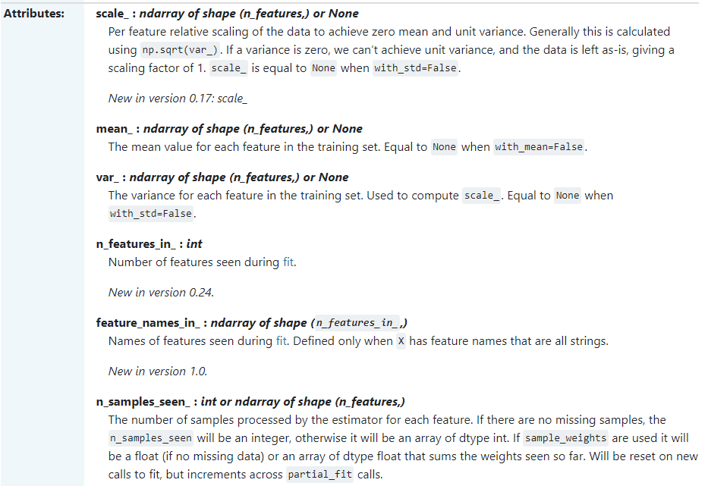 | ⇰REFERENCE (Website)-->Scikit Learn Regarding Thereotical & Conceptual Understanding of Various Attributes of Standard Scaling

 | ⇰REFERENCE (Website)-->Udemy Regarding Meaning & Definition as well as benefits of Feature Scaling

⇰scale_:ndarray of shape (n_features,) or None ❶Per feature relative scaling of the data to achieve zero mean and unit variance. Generally this is calculated using np.sqrt(var_). If a variance is zero, we can’t achieve unit variance, and the data is left as-is, giving a scaling factor of 1. scale_ is equal to None when with_std=False. ❷Basically in Simple Words scale_ refers to the for every features Implementation of scaling of Data for Achievement of 0 Mean .

 | ⇰REFERENCE (Website)-->1.3(ii) Google Colab Feature Scaling Regarding Conceptual & Practical Understanding of Attributes scale_

⇰mean_:ndarray of shape (n_features,) or None ❶The mean value for each feature in the training set. = None when with_ mean=False. ❷The Attribute mean_ for scaled_X_test

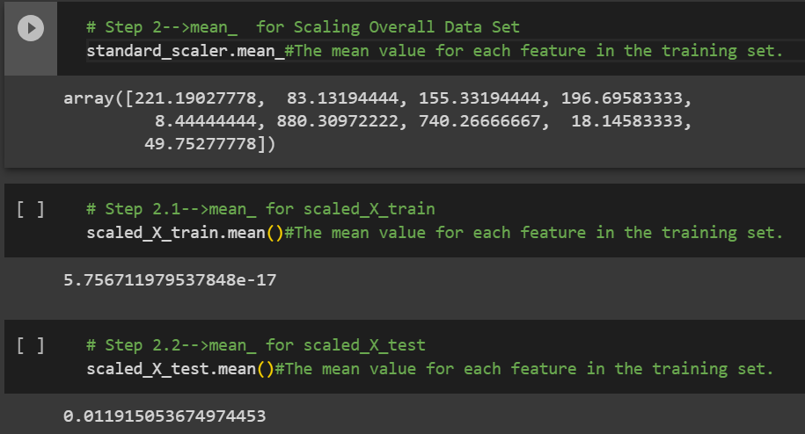 | ⇰REFERENCE (Website)-->1.3(ii) Google Colab Feature Scaling Regarding Conceptual & Practical Understanding of Attributes mean_

⇰var_:ndarray of shape (n_features,) or None ❶The variance for each feature in the training set. Used to compute scale_. Equal = None when with_std=False. | ⇰REFERENCE (Website)-->Investopedia Regarding Thereotical & Conceptual Understanding of Terminalogy of Variance

❷Basically in Simple Words The term variance refers to a statistical measurement of the spread between numbers in a data set. More specifically, variance measures how far each number in the set is from the mean (average), and thus from every other number in the set. Variance is often depicted by this symbol: σ2.

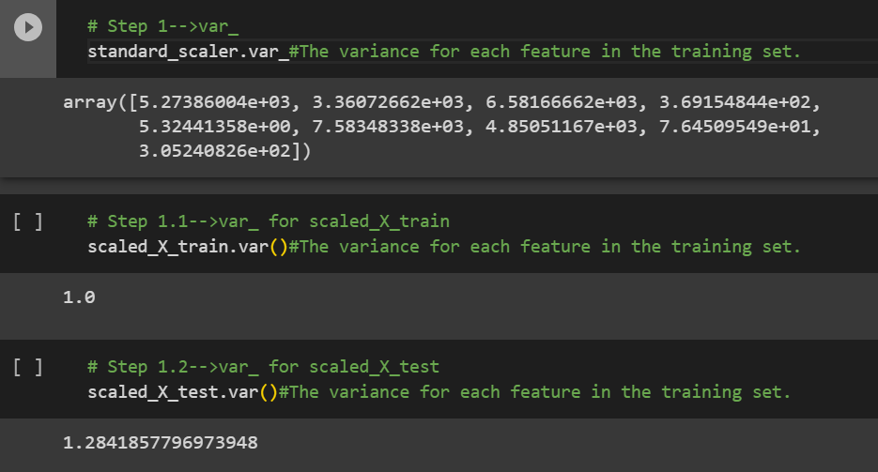 | ⇰REFERENCE (Website)-->1.3(ii) Google Colab Feature Scaling Regarding Conceptual & Practical Understanding of Attributes var_

⇰n_features_in_:int ❶Number of features seen during fit.

 | ⇰REFERENCE (Website)-->1.3(ii) Google Colab Feature Scaling Regarding Conceptual & Practical Understanding of Attributes n_features_in_

⇰n_samples_seen_:int or ndarray of shape (n_features,) ❶The number of samples processed by the estimator for each feature. If there are no missing samples, the n_samples_seen will be an integer, otherwise it will be an array of dtype int. If sample_weights are used it will be a float (if no missing data) or an array of dtype float that sums the weights seen so far. Will be reset on new calls to fit, but increments across partial_fit calls. ❷Basically in Simple Words Overall No of Samples used in X_training in (TRAIN-TEST-SPLIT).

 | ⇰REFERENCE (Website)-->1.3(ii) Google Colab Feature Scaling Regarding Conceptual & Practical Understanding of Attributes n_samples_seen_

⇰feature_names_in_:ndarray of shape (n_features_in_,) ❶Names of features seen during fit. Defined only when X has feature names that are all strings. ❷Basically in Simple Words Overall Names of Various Features Used During Fitting Model.

 | ⇰REFERENCE (Website)-->1.3(ii) Google Colab Feature Scaling Regarding Conceptual & Practical Understanding of Attributes features_names_in_

4.Prac Attr of Min-Max-Scalar
TYPES OF FEATURE SCALING | REFERENCE

▣STANDARD SCALING
▣MIN MAX SCALER
MIN-MAX-SCALER

∎HYPER PARAMETER FOR MIN-MAX-SCALER
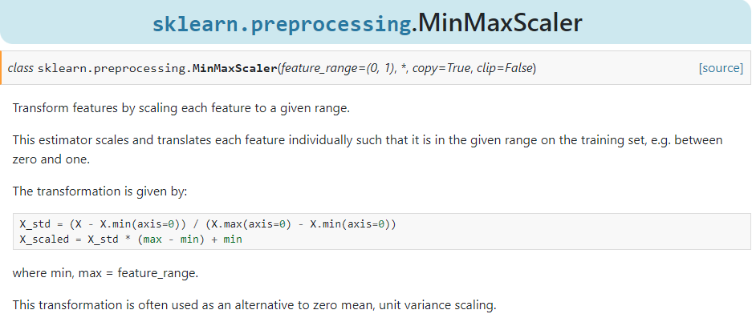 | ⇰REFERENCE (Website)-->ScikitLearn Regarding Thereotical & Conceptual Understanding of Min-Max-Scaler

 | ⇰REFERENCE (Website)-->Udemy Regarding Meaning & Definition as well as Properties of Feature Scaling

⇰copy:bool, default=True ❶ If False, try to avoid a copy and do inplace scaling instead. This is not guaranteed to always work inplace; e.g. if the data is not a NumPy array or scipy.sparse CSR matrix, a copy may still be returned.

⇰feature_range:tuple (min, max), default=(0, 1) ❶Desired range of transformed data. ❷Basically in Simple Words default range for the feature returned by MinMaxScaler is 0 to 1. The range is provided in tuple form as (min,max). copy: If False, inplace scaling is done. If True , copy is created instead of inplace scaling.

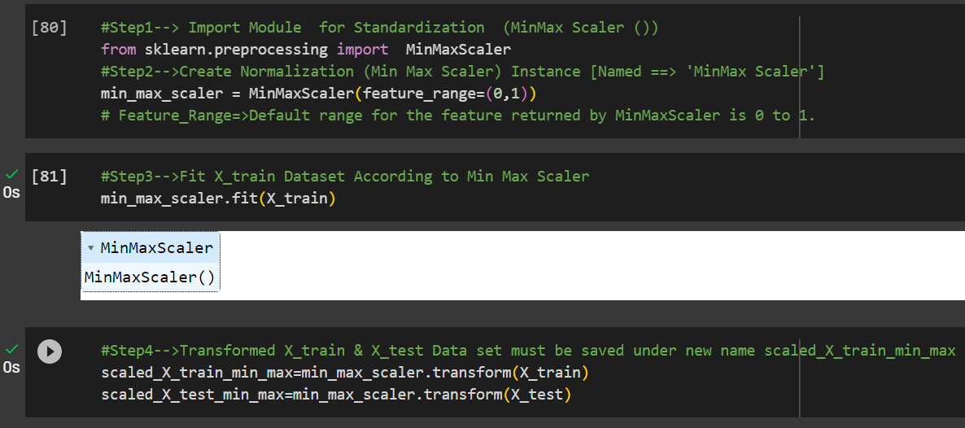

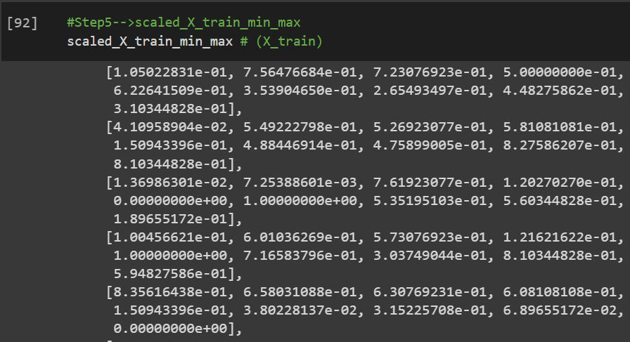 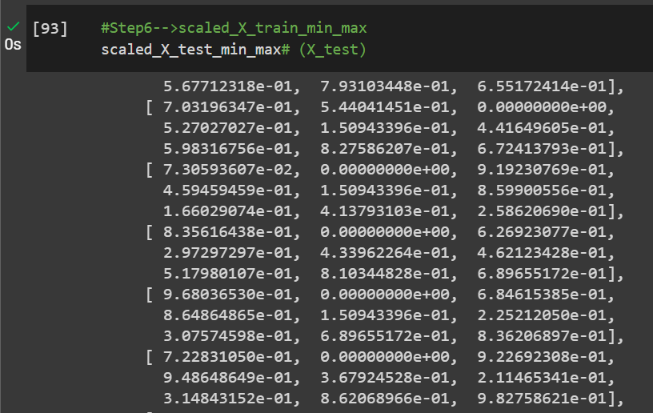

∎ATTRIBUTES FOR MIN-MAX-SCALAR

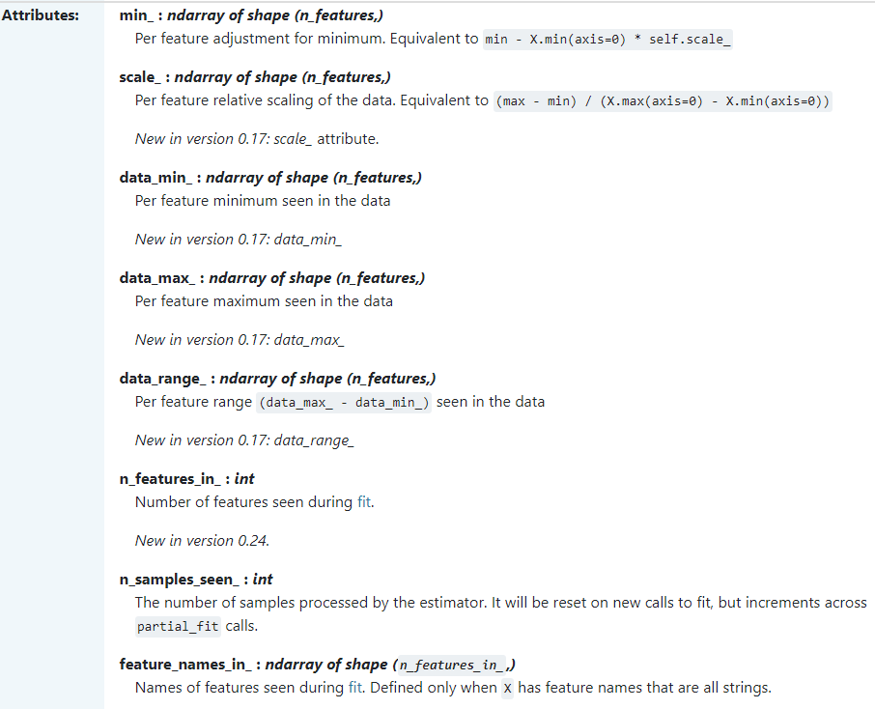 | ⇰REFERENCE (Website)-->Scikit Learn Regarding Thereotical & Conceptual Understand of Various Attributes of Min-Max-Scalar

 | ⇰REFERENCE (Website)-->Udemy Regarding Meaning & Definition as well as Properties of Feature Scaling

⇰min_:ndarray of shape (n_features,) ❶Per feature adjustment for minimum. Equivalent to min - X.min(axis=0) * self.scale_

 | ⇰REFERENCE (Website)-->1.3(ii) Google Colab Feature Scaling Regarding Conceptual & Practical Understanding of Attributes min_

⇰scale_ndarray of shape (n_features,) ❶Per feature relative scaling of the data. Equivalent to (max - min) / (X.max(axis=0) - X.min(axis=0))

 | ⇰REFERENCE (website)-->1.3(ii) Google Colab Feature Scaling Regarding Conceptual & Practical Understanding of Attributes scale_

⇰data_min_:ndarray of shape (n_features,) ❶Per feature minimum seen in the data.

 | ⇰REFERENCE (Website)-->1.3(ii) Google Colab Feature Scaling Regarding Conceptual & Practical Understanding of Attributes data_min_

⇰data_max_:ndarray of shape (n_features,) ❶Per feature maximum seen in the data. | ⇰REFERENCE (Website)-->1.3(ii) Google Colab Feature Scaling Regarding Conceptual & Practical Understanding of Attributes data_max_

 | ⇰REFERENCE (Website)-->1.3(ii) Google Colab Feature Scaling Regarding Conceptual & Practical Understanding of Attributes data_range_
⇰data_range_ndarray of shape (n_features,) ❶Per feature range (data_max_ - data_min_) seen in the data .

⇰n_samples_seen_:int or ndarray of shape (n_features,) ❶The number of samples processed by the estimator for each feature. If there are no missing samples, the n_samples_seen will be an integer, otherwise it will be an array of dtype int. If sample_weights are used it will be a float (if no missing data) or an array of dtype float that sums the weights seen so far. Will be reset on new calls to fit, but increments across partial_fit calls. ❷Basically in Simple Words Overall No of Samples used in X_training in (TRAIN-TEST-SPLIT).

 | ⇰REFERENCE (Website)-->1.3(ii) Google Colab Feature Scaling Regarding Conceptual & Practical Understanding of Attributes n_samples_seen_

⇰feature_names_in_:ndarray of shape (n_features_in_,) ❶Names of features seen during fit. Defined only when X has feature names that are all strings. ❷Basically in Simple Words Overall Names of Various Features Used During Fitting Model.

 | ⇰REFERENCE (Website)-->1.3(ii) Google Colab Feature Scaling Regarding Conceptual & Practical Understanding of Attributes feature_names_in_

⇰n_features_in_:int ❶Number of features seen during fit. ❷Basically in Simple Words Overall Names of Various Features Used During Fitting Model.

 | ⇰REFERENCE (Website)-->1.3(ii) Google Colab Feature Scaling Regarding Conceptual & Practical Understanding of Attributes n_features_in_

5.Diff in StandardSc Vs Min-Max
DIFFERENCE IN BETWEEN STANDARD SCALING VS MIN-MAX SCALER & |  | REFERENCE

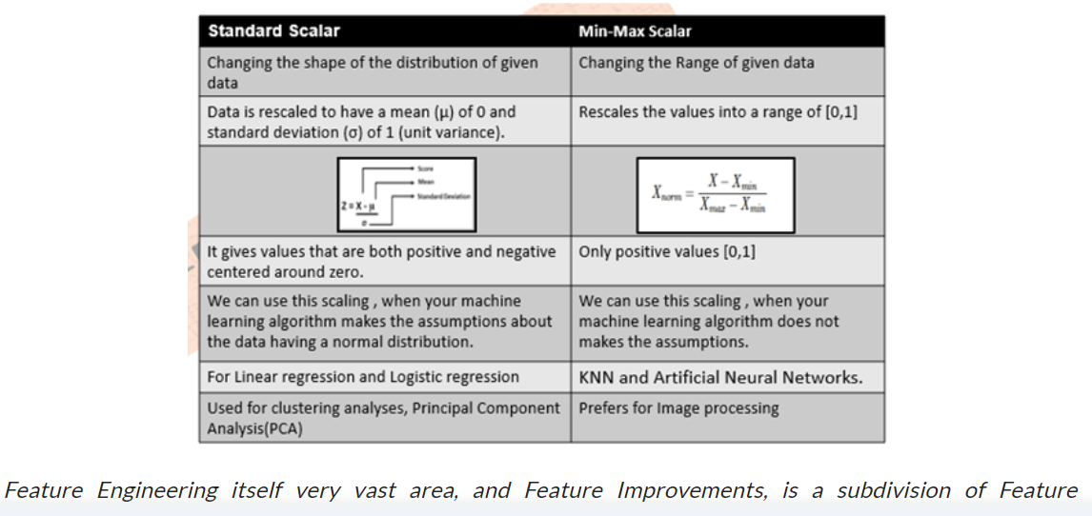 |  | ⇰REFERENCE (Website)-->Analytics Vidhya Regarding Thereotical & Conceptual Understanding of Difference in Between Standard Scaler Vs Min-Max-Scaler

 |  | ⇰REFERENCE (Website)-->VitalFlux Regarding Thereotical & Conceptual Implementation of Difference in Standard Scaler Vs Min-Max-Scaler

 |  | ⇰REFERENCE (Website)-->Geeks for Geeks Regarding Thereotical & Conceptual Understanding of Difference in Between Standard Scaler VS Min-Max-Scaler

▣MinMaxScaler Vs StandardScaler for Scaling Features?

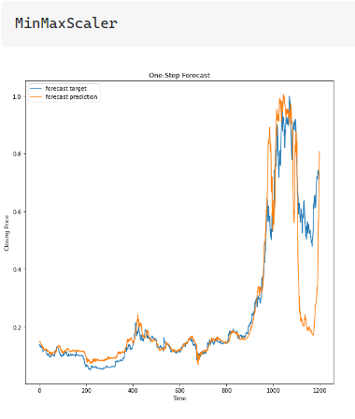 | 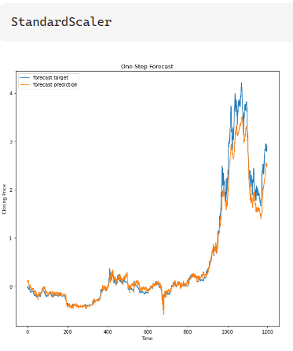

▣DIFFERENCE IN BETWEEN STANDARD SCALER VS MIN-MAX SCALER

∎QUESTION FOR DIFFERENCE IN BETWEEN STANDARD SCALER VS MIN-MAX SCALER ?

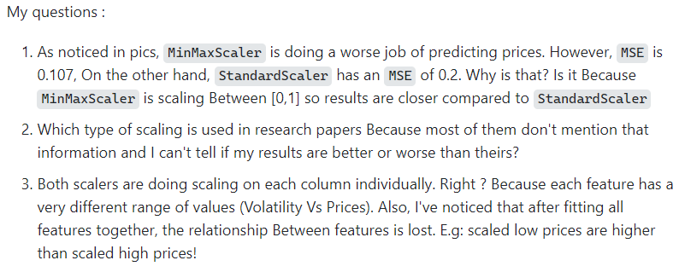 |  | ⇰REFERENCE (Website)-->Stackoverflow Regarding Thereotical & Conceptual Understanding of Difference in Min-Max-Scaler Vs Standard Scaler

∎SOLUTION FOR DIFFERENCE IN BETWEEN STANDARD SCALER VS MIN-MAX SCALER

 |  | ⇰REFERENCE (Website)-->Stackoverflow Regarding Thereotical & Conceptual Understanding of Difference in Min-Max-Scaler Vs Standard Scaler

6.TRAIN|TEST|SPLIT
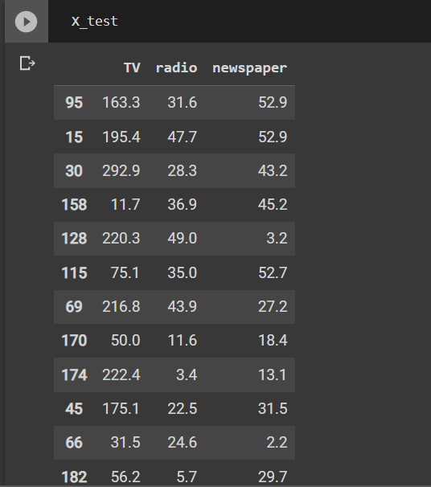
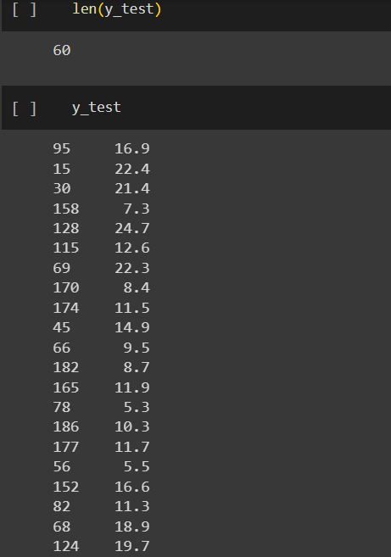
TRAIN | TEST | SPLIT

⇰REFERENCE (WEBSITE)-->Udemy Regarding Train_Test_Split
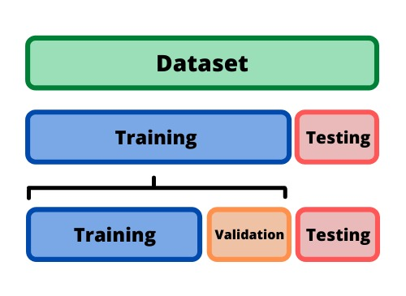 ⇰DEFINITION OF TRAIN-TEST-SPLIT →To fairly evaluate my model's performance, I don't want to evaluate it on the same data it was trained at. First we separates out the features and then it separates out the labels Further we'll separate out a training set and a test set Which Further Subdivide into 4 Components --> X train and Y train and then X test and y test the weights.

PARAMETERS FOR TRAIN | TEST | SPLIT | REFERENCE

⇰X_train→X_train Contains the Values of The Features (X1(Newspaper) ,X2(Radio) , X3(Television) This includes your all independent variables,these will be used to train the model, also as we have specified the test_size = 0.4, this means 60% of observations from your complete data will be used to train/fit the model and rest 40% will be used to test the model. | ⇰REFERENCE (Website)--> Stackoverflow Regarding TRAIN-TEST-SPLIT

⇰X_test→This is remaining 40% portion of the independent variables [Features(X1(Newspaper) ,X2(Radio) , X3(Television)] from the data which will not be used in the training phase and will be used to make predictions to test the accuracy of the model.
 | ⇰REFERENCE (Website)-> Stackoverflow Regarding TRAIN-TEST-SPLIT

⇰y_train→This is your dependent variable which needs to be predicted by this model, this includes category labels against your independent variables (Output =Total Sales), we need to specify our dependent variable while training/fitting the model.

 | ⇰REFERENCE (Website)-->(1.2) Google Colab Linear Regression Regarding Practical Implementation (Coding) of TRAIN | TEST SPLIT
⇰y_test→This data has category labels (Dependent Variable) (Output = Total Sales) for your test data, these labels will be used to test the accuracy between actual and predicted categories.

⇰test_size→test_size is the number that defines the size of the test set. It's very similar to train_size . You should provide either train_size or test_size . If neither is given, then the default share of the dataset that will be used for testing is 0.25 , or 25 percent. Especially in This Case test_size is 0.3 or 30% of Total Data Size.
 | ⇰REFERENCE (Website)-> Scikit Learn Regarding TRAIN-TESTS-SPLIT

⇰Random_state →Random_state is used to set the seed for the random generator so that we can ensure that the results that we get can be reproduced. Because of the nature of splitting the data in train and test is randomised you would get different data assigned to the train and test data unless you can control for the random factor. ↔Example-->For example, imagine you have numbers: 1,2,3,4,5 and you want to select two random numbers. Without using a random_state you would get different things: i.e. first 2,5 then 3,4 and so on.When you control the random generator by setting the random state to 0, 1 or another number, everyone would get the same random numbers generated: i.e random_state=1 then the random numbers are 1,3 and everyone who will pick two random numbers using random_state=1 from 1,2,3,4,5 will get the same two numbers as you: 1,3. →The random state hyperparameter is used to control any such randomness involved in machine learning models to get consistent results. We can use cross-validation to mitigate the effect of randomness involved in machine learning models. →Reason For Random State Usage--> ❶. We need t
 | ⇰REFERENCE (Website)-> Real Python Regarding TRAIN-TESTS-SPLIT

 | ⇰REFERENCE (Website)--> Geeks For Geeks Regarding Practical Impelentation (Coding) of TRAIN | TEST SPLIT

 | ⇰REFERENCE (Website)-> Scikit Learn Regarding TRAIN-TESTS-SPLIT

 | ⇰REFERENCE (Website)-> Real Python Regarding TRAIN-TESTS-SPLIT

⇰Shuffle Split→shuffle is the Boolean object (True by default) that focus on whether to shuffle the dataset before applying the split. →Reason For Random State Usage--> ❶The other reason that we have a random state here is because what Sk learn is going to do when it calls train test split is it's actually going to shuffle the arrays first.So you'll notice here that it actually is calling a shuffle split.That's why main reason it's calling a shuffle split. ❷If we See almost any Data set We can tell that more or less my data appears to be in no sort of sorted order.But for other data sets, it's not uncommon that when you read it in, it's actually already sorted for you. What we don't want to do is if our data set is in some sort of order or sorted is grab the first 70% of the rows for the train set and then the last 30% for the test set. Instead, we want to make sure that we shuffle everything first and then grab the 70% and 30%.That way I don't have an accidentally ordered data set and the test set happens to be all the highest sales and the training set is the lowest 70% of sales. That could be really dangerous as far as fairly evaluating and training your model. So instead we just alleviate any issues of that by shuffling the data set first.

 | ⇰REFERENCE (Website)-->(1.2) Google Colab Linear Regression Regarding Practical Implementation (Coding) of TRAIN | TEST SPLIT

 | ⇰REFERENCE (Website)-->(1.3) Google Colab (Polynomial Regression) Regarding Practical Implementation (Coding) of TRAIN | TEST SPLIT

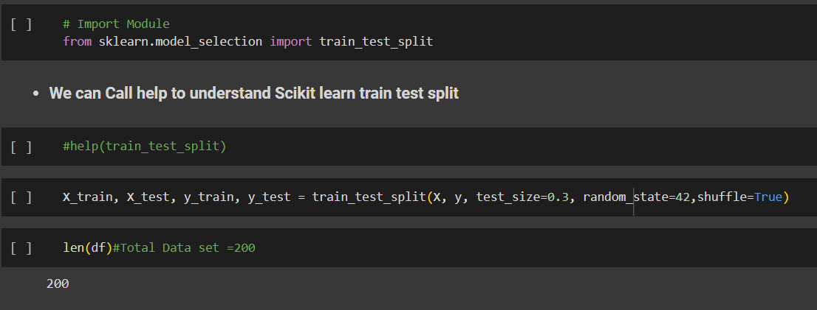 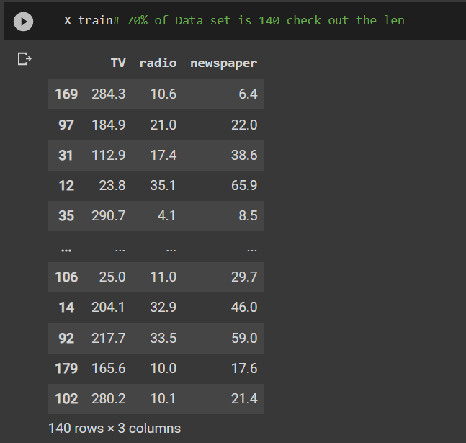 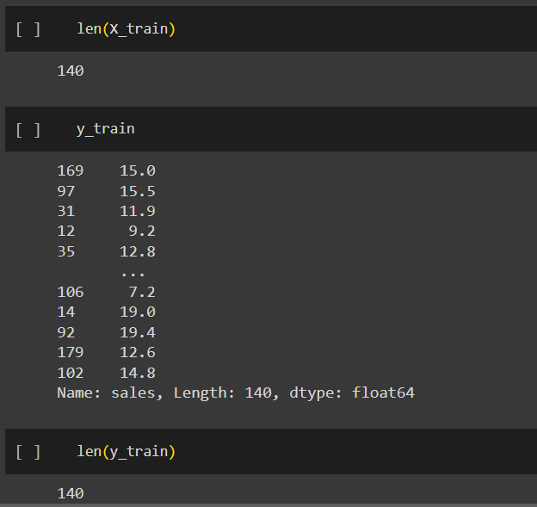 | ⇰REFERENCE (Website)-->(1.2) Google Colab Linear Regression Regarding Practical Implementation (Coding) of TRAIN | TEST SPLIT

 | ⇰REFERENCE (Website)-->(1.3) Google Colab (Polynomial Regression) Regarding Practical Implementation (Coding) of TRAIN | TEST SPLIT

